Sheet4
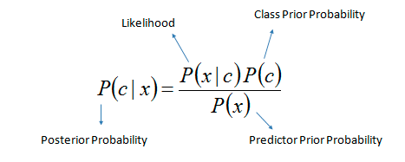
 |  | Chat_Flag |  |  |  |  | Chat_Flag
 | internal_search_flag | N | Y | Grand Total |  | internal_search_flag | N | Y
 | N | 53,441 | 5,484 | 58,925 |  | N | 0.9488 | 0.8419 | 0.9377
 | Y | 2,886 | 1,030 | 3,916 |  | Y | 0.0512 | 0.1581 | 0.0623
 | Grand Total | 56,327 | 6,514 | 62,841 |  |  | 0.8963 | 0.1037

internal_search_flag |  | P(flagY/chatY) | P(ChatY) | P(flagY) |  |  |  | P(flagY/chatN) | P(ChatN) | P(flagN) |  | Y | N
Y | P(ChatY/FlagY) | 0.1581 | 0.5000 | 0.5000 | 0.1581 |  | P(ChatN/FlagY) | 0.0512 | 0.5000 | 0.5000 | 0.0512 | 0.7553 | 0.2447

 |  | P(flagN/chatY) | P(ChatY) | P(flagN) |  |  |  | P(flagN/chatN)
N | P(ChatY/FlagN) | 0.8419 | 0.5000 | 0.5000 | 0.8419 |  |  | 0.9488 | 0.5000 | 0.5000 | 0.9488 | 0.4702 | 0.5298

Sheet1
Assumption
1. Violation of Independence Assumption:
- The Naïve Bayes assumption is that all the features are conditionally independent given the class label.
Even though this is usually false (since features are usually dependent).
- Naive Bayesian classifiers assume that the effect of an attribute value on a given class is independent of the values of the other attributes.
This assumption is called class conditional independence. It is made to simplify the computations involved and, in this sense, is considered “naive.”
2. Zero conditional probability Problem:
- If a given class and feature value never occur together in the training set then the frequency-based probability estimate will be zero.
- This is problematic since it will wipe out all information in the other probabilities when they are multiplied.
- It is therefore often desirable to incorporate a small-sample correction in all probability estimates such that no probability is ever set to be exactly zero.
Conclusions:
- The naive Bayes model is tremendously appealing because of its simplicity, elegance, and robustness.
- It is one of the oldest formal classification algorithms, and yet even in its simplest form it is often surprisingly effective.
- It is widely used in areas such as text classification and spam filtering.
- A large number of modifications have been introduced, by the statistical, data mining, machine learning, and pattern recognition communities, in an attempt to make it more flexible.
- but some one has to recognize that such modifications are necessarily complications, which detract from its basic simplicity.

